20240714 (107)
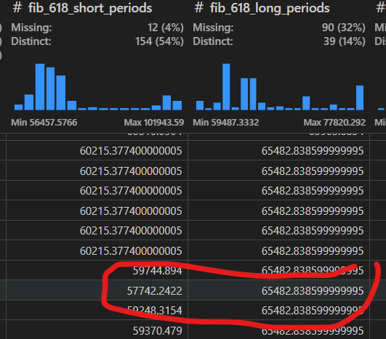

max_short_period | 60,784.10 |  | algo_param['hi_stats_computed_over_how_many_candles']
max_long_period | 71,429.70 |  | 90
id_max_short_period | 107.00 | 20240714 | algo_param['hi_stats_computed_over_how_many_candles']/algo_param['hi_ma_short_interval']
id_max_long_period | 52.00 | 20240520 | 7.5
 |  |  | 90/7.5
min_short_period | 55,862.00 |  | 12
min_long_period | 55,862.00
id_min_short_period | 100.00 | 20240707
id_min_long_period | 100.00 | 20240707

swing short | 4,922.10
swing long | 15,567.70

fib short | 57,742.24
fib long | 65,482.84

Tradingview Long period
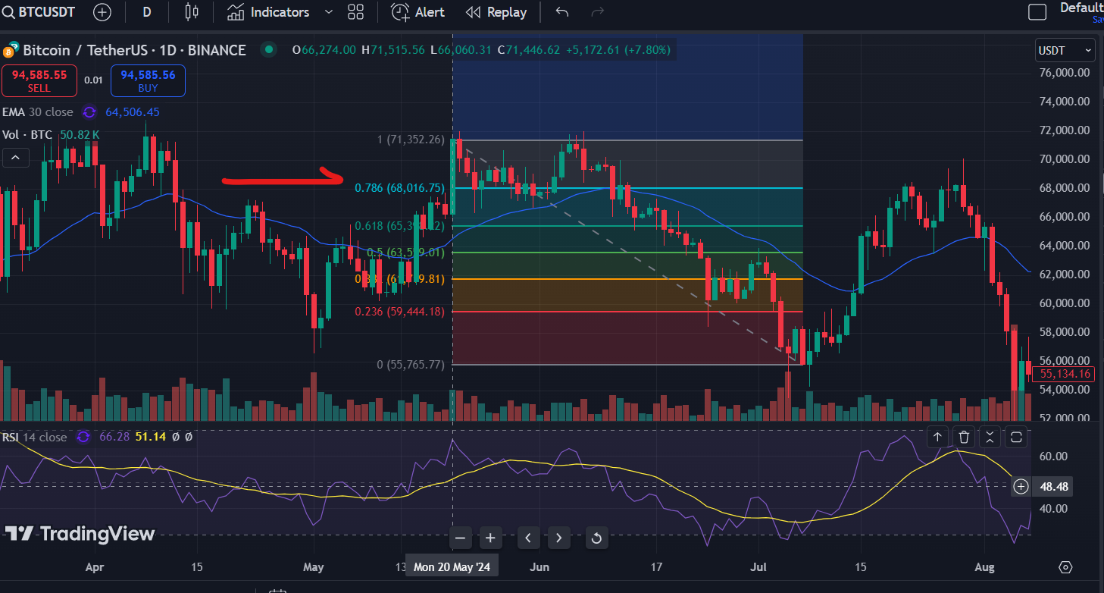

Tradingview Short period
